Offer
 | Pierre Balmain Man T-Shirts May'17

 |  |  |  |  | Size |  |  |  |  | 366 |  | 5,673.00 €
Pictures |  | Style/Model | Family | Colour | 44 | 46 | 48 | 50 | 52 | Qty | Offer | Total Offer | Retail Price | Wholesale Price
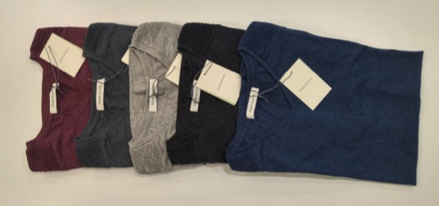 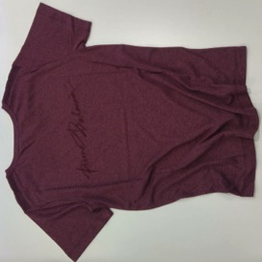 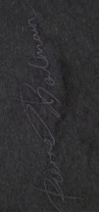 |  | HP6370S.A384 | T-SHIRT MC | ANTHRACITE | 3 | 14 | 10 | 10 | 1 | 38 | 15.50 € | 589.00 € | 155.00 € | 62.00 €
 |  | HP6370S.A384 | T-SHIRT MC | BLACK/DARK GREY | 10 | 11 | 11 | 3 | 10 | 45 | 15.50 € | 697.50 € | 155.00 € | 62.00 €
 |  | HP6370S.A384 | T-SHIRT MC | BLUE AVIO | 11 | 12 | 15 | 6 |  | 44 | 15.50 € | 682.00 € | 155.00 € | 62.00 €
 |  | HP6370S.A384 | T-SHIRT MC | BORDEAUX | 14 | 21 | 22 | 13 | 5 | 75 | 15.50 € | 1,162.50 € | 155.00 € | 62.00 €
 |  | HP6370S.A384 | T-SHIRT MC | GREY | 32 | 45 | 45 | 25 | 17 | 164 | 15.50 € | 2,542.00 € | 155.00 € | 62.00 €

